Batch 1 N=499
Value
 | Y
0 | 63.712913765
1 | 62.712888244
2 | 61.712888228
3 | 60.712888228
4 | 59.712888228
5 | 58.712888228
6 | 57.712888228
7 | 56.712888228
8 | 55.712888228
9 | 54.712888228
10 | 53.712888228
11 | 52.712888228
12 | 51.712888228
13 | 50.712888228
14 | 49.712888228
15 | 48.712888228
16 | 47.712888228
17 | 46.712888228
18 | 45.712888228
19 | 44.712888228
20 | 43.712888228
21 | 42.712888228
22 | 41.712888228
23 | 40.712888228
24 | 39.712888228
25 | 38.712888229
26 | 37.712888231
27 | 36.712888241
28 | 35.712888274
29 | 34.712888384
30 | 33.71288872
31 | 32.712889679
32 | 31.712892244
33 | 30.712898695
34 | 29.712914009
35 | 28.712948424
36 | 27.713021881
37 | 26.713171231
38 | 25.713461286
39 | 24.714000813
40 | 23.714964397
41 | 22.716620688
42 | 21.719366843
43 | 20.723768024
44 | 19.730599792
45 | 18.740890143
46 | 17.755957188
47 | 16.777437986
48 | 15.807304178
49 | 14.847860673
...

Batch 1 N = 1999
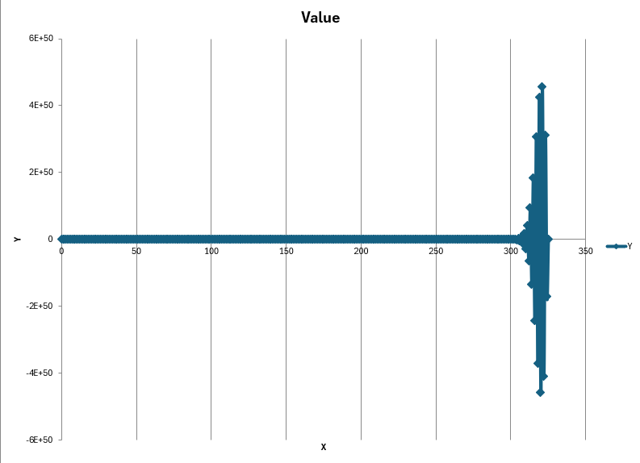

Batch 1 N = 9999
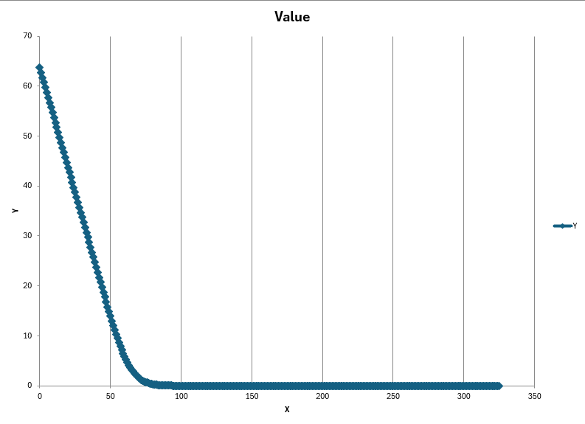

Batch 1 N = 49999
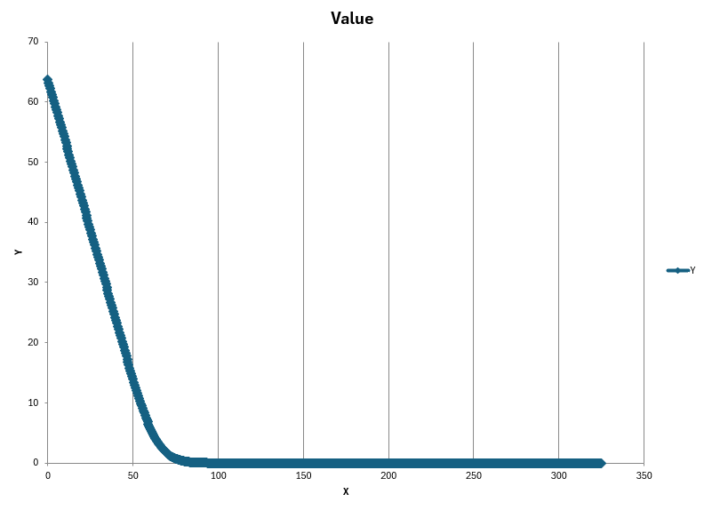

Batch 2 N = 9999
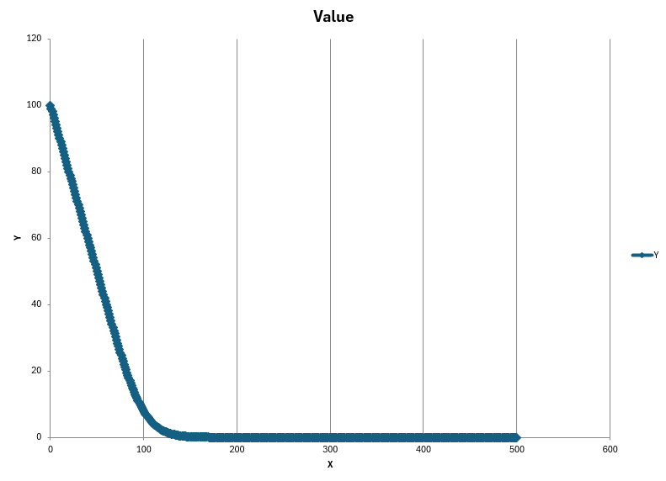

Batch 2 N = 99999
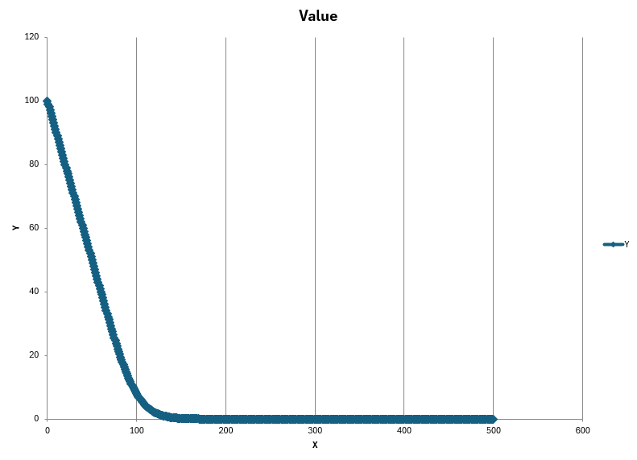
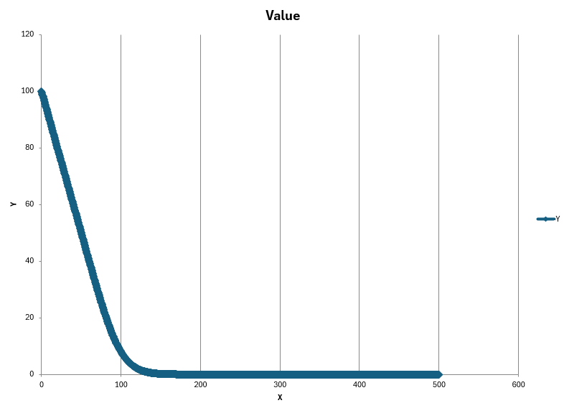
J = 5 * BS::K | J = 10 * BS::K

Batch 3 N = 9999
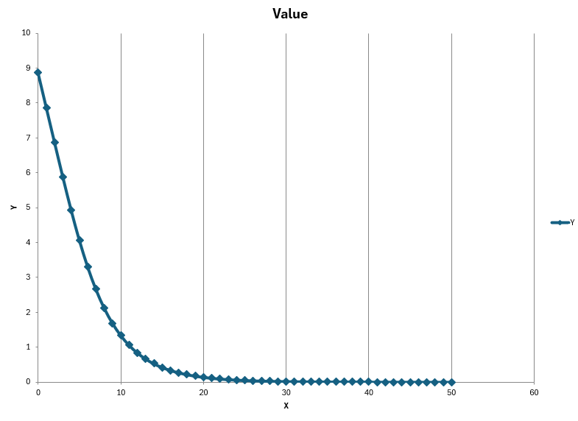

Batch 3 N = 99999
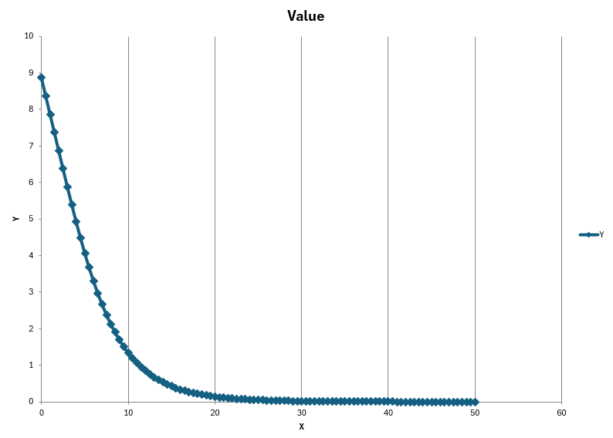

Batch 4 N = 9999
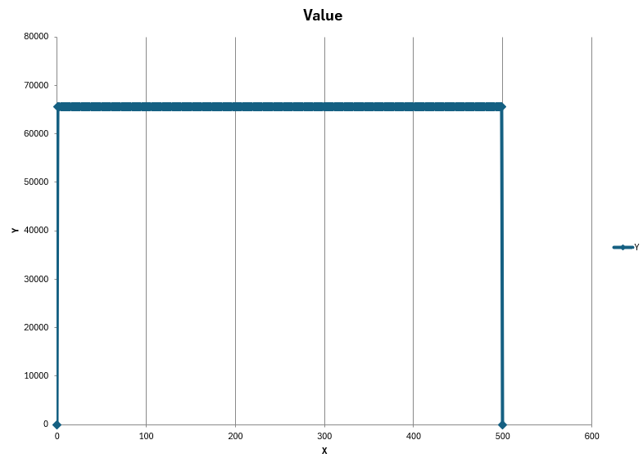

Batch 4 N = 999999
